1. Title Page
Instacart Grocery Basket Analysis

Project Name: Instacart Grocery Basket Analysis - 2017
Date: 1st Aug 2021
Analyst Name: Senja P

Contents:
Population Flow
Consistency checks
Wrangling steps
Column derivations

2. Population Flow
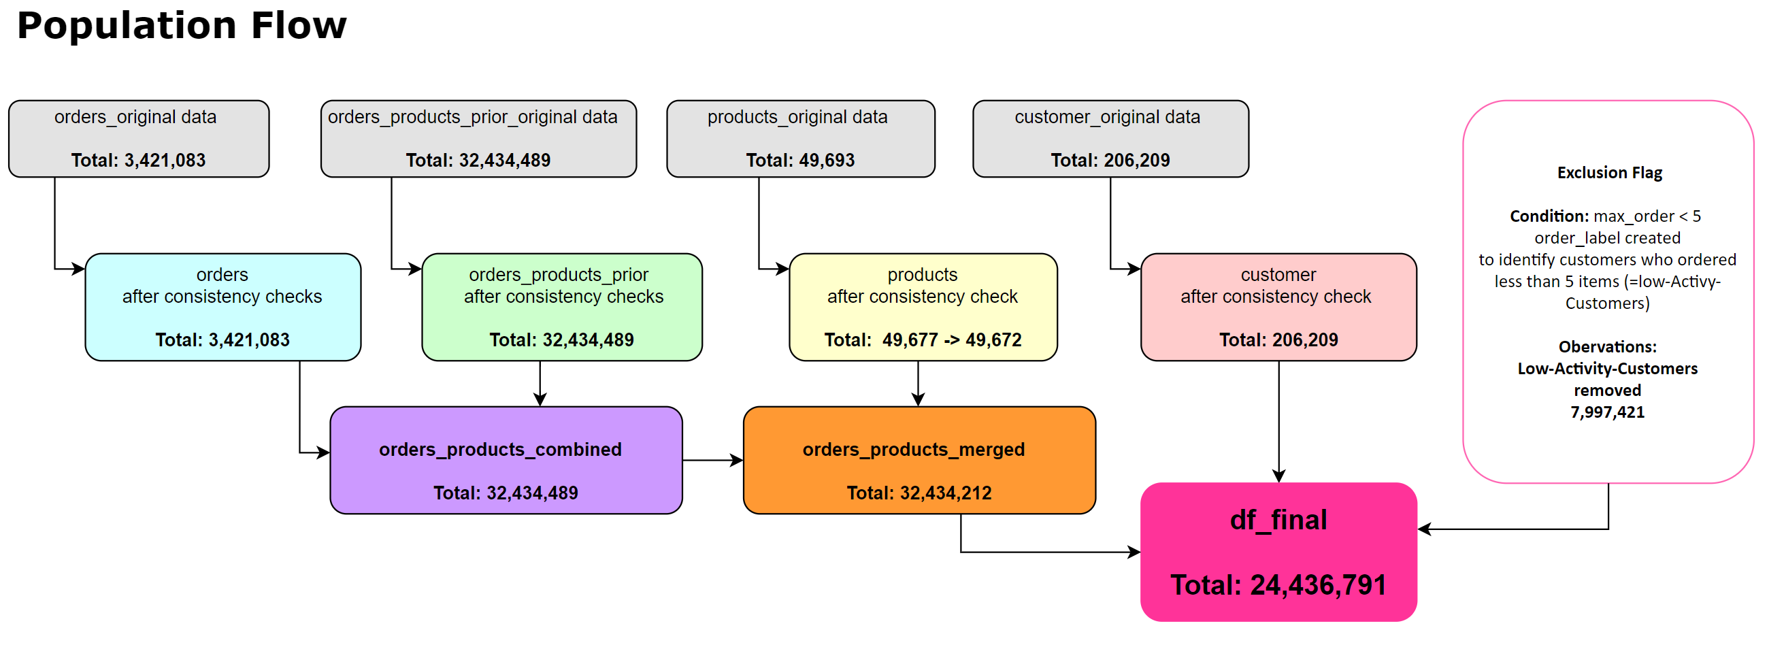
Title page

Population flow

3. Consistency checks
 |  |  | Title page
Consistency checks

Dataset | Missing values | Comments
orders | days_since_prior_order x 206209 | # checking missing values df_ords_nan = df_ords[df_ords['days_since_prior_order'].isnull()==True] The missing values can be related to the new customer who do not have previous orders.
products | product_name x 16 | #create a data frame for missing values df_nan = df_prods[df_prods['product_name'].isnull()==True], , test data 16 product names were missing
orders_products_prior
customers
us_region | not found | checked missing values on us_state

Dataset | Missing values treatment | Comments
orders | The NaN value replaced with 0 to have a numeric data for all values in the same column. | # checking missing values df_ords_nan = df_ords[df_ords['days_since_prior_order'].isnull()==True]
products | 16 product_name rows removed | df_test['mix'] = df_test['mix'].astype('str')
orders_products_prior
customers
us_region | not found - no action

Dataset | Duplicates | Comments
orders | no dublicates found | #checking dataframe without dublicates df_ords_dubs = df_ords[df_ords.duplicated()]
products | 5 founds and removed | df_dups = df_prods_clean[df_prods_clean.duplicated()]
orders_products_prior
customers

4. Wrangling steps
 |  |  | Title page
Wrangling steps

Dataframe | Columns dropped | Comment/Reason
merged_cop/ df_ords_comb | _merge' | unable to merge new "region dataframe if _merge column/variable included, the same action completed also previously
merged_cop | first_name', 'last_name' | # remove columns with customer names from merged_cop due to data privacy
df_ords | eval_set' x 3421083 rows | df_ords.drop(columns = ['eval_set'])

Columns renamed | New name | Comment/Reason
order_dow' | orders_day_of_week | df_ords.rename(columns = {'order_dow' : 'orders_day_of_week'}, inplace = True)
days_since_prior_order' | days_since_previous_order | df_ords.rename(columns = {' days_since_prior_order' : ' days_since_previous_order'},inplace = False)
First Name' | first_name' | # renaming column "First Name" df_customers.rename(columns = {'First Name' : 'first_name'}, inplace = True)
"Surnam" | last_name | # renaming column "Surnam" df_customers.rename(columns = {'Surnam' : 'last_name'}, inplace = True)
Gender | sex | df_customers.rename(columns = {'Gender' : 'sex'}, inplace = True)
STATE | us_state | df_customers.rename(columns = {'STATE' : 'us_state'}, inplace = True)
Age | age | df_customers.rename(columns = {'Age' : 'age'}, inplace = True)
n_dependants | no_dependants | df_customers.rename(columns = {'n_dependants' : 'no_dependants'}, inplace = True)
fam_status | marital_status | df_customers.rename(columns = {'fam_status' : 'marital_status'}, inplace = True)

Columns' type changed | Comment/Reason
# convert first_name column numberic data to string df_customers['first_name'] = df_customers['first_name'].astype('str') | # check the mix data for col in df_customers.columns.tolist(): weird = (df_customers[[col]].applymap(type) != df_customers[[col]].iloc[0].apply(type)).any(axis = 1) if len (df_customers[weird]) > 0: print (col)

5. Column derivations
 |  |  |  | Title page

Column derivations and aggregations

Dataset | New column | Column/s it was derived from | Conditions
df_merged_all | Activity_Flag' | df_merged_all | identigy the 'High_Activity' customers orders 5 and more and 'Low_Activity' customers, less than 5 orders in order to remove them from analyses
df_merged_all | us_regions | df_regions | created a new dataframe from the link provided
df_merged_all | order_label | df_merged_all | creating the order flag to identify customers who ordered less than 5 times
df_final | Household_Range | df_final | household range based on the age and number of dependants
df_102 | 'meat_buyer' | df_102 | Subset df_102 includes the only relevant columns/variables from df_final for analysis on module 4.10
df_4 | max_order' | df_4 / merged_cop | established flag criteria - create “max_order” column, group “user_id” column, generate maximum orders on “order_number”
df_4 | loyalty_flag' | df_4 / merged_cop | related to previous row; this column consists of 3 type of customers; new customers (order 12 or less, regular customers (orders more than 12 but less than 36) and the loyal customers 36 or more orders
ords_prods_merge | mean_price' | ords_prods_merge | establish spending flag criteria - create mean column, group “user_id” column, generate mean for “prices”
ords_prods_merge | Spender_flag' | ords_prods_merge | related to previous row; Spender_flag includes lower spender and higher spender, If the mean of the prices of products purchased by a user is lower than 10, then flag them as a “Low spender.” If the mean of the prices of products purchased by a user is higher than or equal to 10, then flag them as a “High spender"
ords_prods_merge | median_order_frequency' | ords_prods_merge | establish order frequency flag criteria - create median column for order frequency, group “user_id” column, generate median for “prices”
ords_prods_merge | Frequency_flag' | ords_prods_merge | related to previous rowe. Crate an order frequency flag that marks the regularity of a user’s ordering behavior according to the median in the “days_since_prior_order” column. The criteria for the flag; If the median of “days_since_prior_order” is higher than 20, then the customer should be labeled a “Non-frequent customer.” If the median is higher than 10 and lower than or equal to 20, then the customer should be labeled a “Regular customer." If the median is lower than or equal to 10, then the customer should be labeled a “Frequent customer.”
df | price_range_log | ords_prods_merged | if row['prices'] <= 5: return 'Low-range product' elif (row['prices'] > 5) and (row['prices'] <= 15): return 'Mid-range product' elif row['prices'] > 15: return 'High range' else: return 'Not enough data'
ords_prods_merge | Busiest day' | ords_prods_merge | creating new categories based on the busiest and slowest days result = [] for value in ords_prods_merged['orders_day_of_week']: if value == 0: result.append('Busiest day') elif value == 4: result.append('Least busy') else: result.append('Regularly busy')
ords_prods_merge | Busiest days', | ords_prods_merge | creating new categories based on the two busiest and two slowest days result2 = [] for value in ords_prods_merged['orders_day_of_week']: if value == 0 or value == 1: result2.append('Busiest days') elif value == 3 or value == 4: result2.append('Slowest days') else: result2.append('Regularly busy')
 | 'busiest_period_of_day_range' |  | def busiest_period_of_day_label(row): if row['order_hour_of_day'] <= 6 or row['order_hour_of_day'] == 23: return 'Fewest Orders' elif (row['order_hour_of_day'] >= 10) and (row['order_hour_of_day'] <= 16): return 'Most Orders' else: return 'Average Orders'

